Ex 2. Supplier shortlist
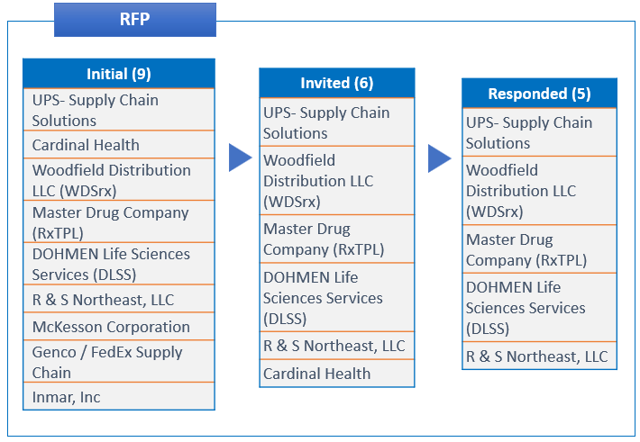
Exhibit 2

